Instructions


 | SPS New Project Building and Annex Refurbishment and Build Tender

These tender clarifications are visible to all tenderers as they relate to the general scope of works. Please submit any and all clarification requests via email or the Zycus eForum, and they will be addressed here. Any commercial, insurance, or legal clarifications must be submitted separately and will be responded to on a private basis.

Public Clarifications
Tender Clarifications

 | Question | Stanwell Response | Response Date
Question 1 | 1. Could you supply the Wind Pressure on Glazing Figures? | Refer to the Façade Engineer’s document: F3P1 Performance Based Design Brief; Appendix D. | 28/04/2026
Question 2 | 2. Can you please advise if there is an internal and external colour schedule for the New Project Office – we have located for e Annex Refurbishments bit cannot locate for the New Project Building? | Colour selections are included within "Spec A[T1]-Appendix A - T-Sheet". Paint Specification included as "Spec E[T1] - Appendix E - Paint Specification" | 28/04/2026
Question 3 | 3. Is there a detailed window schedule for the New Project Building available? | Window Schedule is included within “A-400001[T1]-Façade Plans & Elevation – North”. Further details "Spec B[T1]-Appendix B - Wall Schedule" Note: Reference to Dwg A-740001 is in error and will be amended for IFC set. | 28/04/2026
Question 4 | 4. Are there details on the operable frameless glass louvres please for the New Project Building? | Details of louvre system included in "Spec B[T1]-Appendix B - Wall Schedule" | 28/04/2026
Question 5 | 5. We cannot locate a FF&E Schedule for all the works. Is there one available for all the fit-out items including loose furniture/Sundry Hardware ect? | Please refer to Spec A[T1] – Appendix A – T-Sheet; sections G1, G2 and G3. (Note that these sections specify which party is to provide and/or to install). | 28/04/2026
Question 6 | Can you confirm the Site Region Classification please? The New Project Building Engineer has classified the site as a Region C and the Refurb Engineer has classified the site as a Region B2. See attached engineer designs. Would the whole site have the same classification? | The New Projects Office Structural and Façade Engineers assessed the site conditions and, noting the site is on the boundary, concluded that it was reasonable and prudent, given the target design life of the building, to design for Region C. Separately, the engineers engaged for the refurbishment works have determined that Region B2 is adequate and that there is no requirement to increase the design to Region C. | 28/04/2026
Question 7 | Can Stanwell please provide a list of sub-contractors that are usually engaged to undertake maintenance works? | Some key suppliers we regularly engage with for relevant works include the below: - Shamrock Civil - Rssjay - JRT Scaffolding - Caledonia Queensland - Brand Industrial Services - Acrow Electrical/Comms - Stankee Electrical - Keppel Coast Communication -Koolec We also engage with Advanced Rockhampton who have a list of suppliers in the region that are looking to partner with larger construction companies to deliver projects. If you reach out to advancerockhampton@rrc.qld.gov.au they will be able to help you out further. | 5/05/2026
Question 8 | What are the applicable PPE requirements for personnel wearing shorts within Principal Contractor zones onsite? | Stanwell HSE have confirmed site PPE will need to be maintained for both projects. | 5/05/2026
Question 9 | 1. Can you please provide Schedule of Fixtures & Fittings for the New Project Office? | Please refer to Spec A[T1] – Appendix A – T-Sheet; sections G1, G2 and G3. (Note that these sections specify which party is to provide and/or to install). | 5/05/2026
Question 10 | 2. Can you please provide details on all the Corian Washplanes. (Model, basins required & lengths)? | PendingCorian 5213 - https://casf.com.au/product-category/corian-washplanes/ These are custom vanity units. Details on lengths and number of basins is included within the drawing. Example below | 6/05/2026

Question 11 | 3. Can you please confirm length on urinals. Also are they a recessed unit or floor mounted? Will the flushing system be the Britex FSM electronic sensor units? A. A2 Workshop - Custom 3100mm b. A3 Warehouse - Schedule states 3100mm but drawing shows about 1600mm. Please confirm length C. A4 New Build - Schedule states 3100mm but drawing shows two wall mounted urinals. Please confirm what urinals are required? | Drawings are correct. Error in specification table. Where drawing indicates wall mounted, please use Caroma Leda Wall Hung Urinal P Trap White (3 Star) A2 - Urinal, recessed unit. Refer to attachment A3 - Wall mounted A4 - Wall mounted | 6/05/2026
Question 12 | The following Queries relate to the timber doors; a. Door schedule for New Project Office nominates "MTV-1" TO FACING OF DOORS - What is MTV-1? B. Door schedules to Registry, Workshop, Warehouse show door types but do not nominate the type against the doors numbers EG: Registry D5 - What is the door type? | a) Please refer to Spec A[T1] – Appendix A – T-Sheet; MXX Materials & Applied Finishes. MTV-1 Timber Veneer. b) Please see table to the left hand side of each Door Schedule Drawing, that is contained within the drawing set for each space. | 5/05/2026
 |  |  | 6/05/2026
Question 13 | 1. Can you please advise who Stanwell’s referred security contractor is to install the DSX access control systems as specified? | Bravis
Question 14 | Could you please clarify your preferred construction programme, including the timing and sequencing of the works across the project, and how staff are expected to be accommodated during each construction phase? | We can run the new Projects Office and the new build in parallel. The constraint sits with the three existing offices, which will need to be managed sequentially, one at a time in the following order: 1. Warehouse 2. Registry 3. Workshop | 7/05/2026

Question 16 | 1. Within the SPS Annex Refurbishment – Architectural Specification; Section 4.1 – Signage & Glass Transfer Window Film – it mentions to allow the following provisional sum for the supply and installation of signage and glass transfer window film (Excludes braille & tactile signage), however there is no value for the provisional sum. Can you please advise the amount? | Please put down $20,000.00 for Provisional Sum allowance. If the Tenderers anticipate more than the $20,000.00 then please insert that amount against the line items. - This has been included in CURRENT 08B - ITT Returnable Schedule - Pricing Schedule - Scope B (Annex Relocation) Rev 01 | 15/06/2026
Question 17 | 1. Within the SPS Annex Refurbishment – Architectural Specification; Section 4.2 – Provisional Sum – it mentions to allow the following provisional sum for contractor to allow for co-ordination with the selected AV contractor and incorporate into their works programme of $25,000.00. We are assuming that this figure is the figure to be entered into the ITT Returnable Schedule – Pricing Schedule – Scope B (Annex Relocation) - pay table in row 322 – P1.06.12. Is this correct? If so, what is the figure to be included into row 324 – P1.06.13 – is this item to be provided by SPS preferred AV contractor? | Row 322 – Item No. P1.06.12 Is for the Provisional Sum amount for the provision for coordination with the selected AV contractor, if the Tenderers anticipate more than the $25,000 listed within the Architectural Specification then they should insert that amount against the line item. Row 324 – Item No. P1.06.13 This is a provisional sum should the tenderer anticipate any requirement for them to install any AV, power or data points relating to the AV works. I am happy for this to be left blank if there is no anticipation. | 12/05/2026
Question 18 | Question 5 in the ‘Tender Clarifications’ spreadsheet only details furniture for the New Project Office. Can you please advise if the furniture as scheduled and detailed on the following drawings are to be supplied and installed by the contractor; Registry - drawing A1-303; Workshop - drawing A2-306; Warehouse - drawing A3-306; and New Build - drawing A4-301. We also note there is a note in Appendix C advising Loose Furniture is excluded for the New Build. See below – there is no reference regarding loose furniture/workstations for any other areas. Can you please advise. | Stanwell has decided to include furniture as apart of this package. The furniture requred is already listed in the architect specifications if you can please progress these items. - The updated scope of work is in the "Scope of Work Revision' - Annex Pricing table revision 1 is available in "Pricing Table Revision" folder which now included list of furniture to price - New Project Building pricing is now updated. - There is also now an additional document in the clarifications folder with the Technical Reference Sheet for the list of furniture called (25010 - Stanwell- Furniture Quantities) - Please be aware that while many G3 Items are now contractor supplied and Installed they are not all. Please review the tehcnical reference sheet for the relevant items that are to be supplied and installed by the supplier. | 21/05/2026
Question 19 | Within the original tender documents for the Annex Refurbishments – there was an Appendix B – Hardware Schedule. There were no hardware schedules within that folder. Can you please advise if the hardware schedules for the doors to all the Annex Refurbishments will be provided? | Documents have been uploaded to Clarification attachments as well as Arhcitect Specification Folder. | 14/05/2026
Question 20 | Could you provide internal plans or photos of for the inside of the the project buildings to be demolished in order to understand the demo and waste requirements. | Stanwell does not have plans of the current build but have uploaded a folder of photos located in the 'Clarification attachments' folder called 'Curent Project Building Photos' | 15/06/2026
Question 21 | 1. Could you please provide either the estimated quantities or a marked-up plan identifying the extent of bulk cut and fill earthworks required for the proposed New Project Office building? | All documents need to be referenced and co-ordinated (read in association with each other) by the Contractor i.e. the existing detailed survey plan provides existing site levels and the Civil, Architectural and Landscape documents all have finished RL’s relating to their specific components | 20/05/2026
Question 23 | 1. The following question are in regards to the loose furniture/workstations fo the Annex Refurbishments and New Build; In regards to the CLIMATE DESKS 1. Are the legs to me fixed height or height adjustable? Will the place be reconfigurable? Meaning will they need rollers on the legs? | Fixed height, no rollers | 20/05/2026
Question 24 | 1. There is a request for VP – Vide Panels with suspended brackets to each desk. Can you please confirm as this panel is contradicting to the Climate desks. If they want a VP attached to the desks, then there is no point in having the Climate channel in between the desks. If that makes sense? Unless they are referring to a panel that is inserted in the channel. Please see both images below. Panel inserted in Climate channel | Image 2 is preffered | 20/05/2026
 | 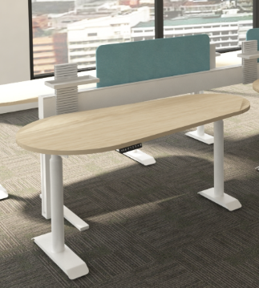
 | VP with suspended brackets with the Climate channel in between
 | 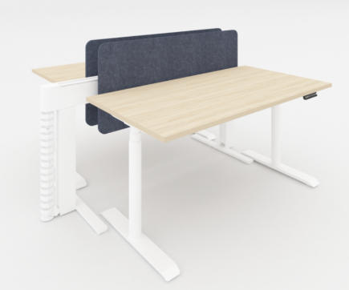
Question 28 | We are currently reviewing the roof build-up details for the SPS New Build project and request clarification regarding the RF-1 and RF-2 roof assemblies, specifically relating to the nominated 17.5mm plywood substrate. For RF-1, the detail appears to show the 17.5mm plywood substrate fixed over the main roof trusses, with timber battens above the ply supporting the foil-backed insulation and AshGrid system prior to installation of the roof sheeting. For RF-2, the detail appears to show 17.5mm plywood fixed directly over the roof purlins, with insulation installed between the purlins and the roof sheeting fixed directly over the plywood substrate. We note that the specification does not currently call for any treatment or separation layer between the plywood substrate and the underside of the roof sheeting. Based on previous experience with similar roof assemblies involving plywood substrates directly beneath metal roof sheeting, we have encountered situations where: - the plywood substrate required onsite priming/sealing prior to installation; and/or - a vapour barrier underlay was required between the plywood and roof sheeting, including taped joints, to manage condensation and moisture migration. Could you please confirm whether: 1. The plywood substrate is required to be primed/sealed prior to installation; and 2. A vapour barrier or condensation underlay is required between the plywood substrate and the underside of the Stramit Speed Deck Ultra sheeting. If required, please provide the nominated product specification and installation requirements. This item is not currently noted within the roof build-up schedule. | Inr egards to this clarification there may have been some inccorect interpretations of the document. Please review the below - • Reference to Stramit Speed Deck Ultra sheeting in lieu of specified Stratco Topdek 700 0.48 bmt (Refer T-Sheet Code RF-1 & RF-2) • Reference to RF-2 17.5mm Plywood substrate fixed directly over the roof purlins in lieu of the T-sheet and details on Architectural Dwg 25010 / cd A-420001[T1] nominating the plywood fixed to the underside of steel purlins. | 25/05/2026
Question 29 | 1. The Annex Specification (page 114) details a provision quantity for turfing throughout of 1250m2. Can you please advise if the turf shown on the Civil drawing 25-595_A4 / 102 for the New Build is to be included in the provisional quantity – or is the provisional quantity pertaining to the remaining buildings. | The 1250sqm PC allowance will be enough to cover the new building and any replacement of turg that is required around the existing buildings. From our calculations, the New Build will require ~900sqm. | 21/05/2026
Question 30 | 1. Can you please confirm that the mechanical plant slabs externally to the New Build do not have any screening to them. There are no details shown on the architectural drawings, however the mechanical services drawing – recommends screening. | No screening required | 21/05/2026
Question 31 | Please provide the details for 100 Grated Drain | Pending on Hydraulic Consultant
 | 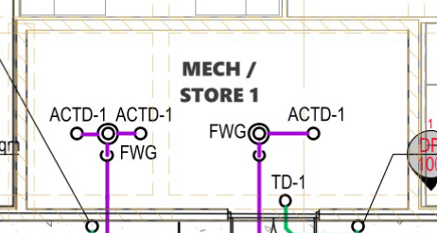
Question 33 | Please provide details for the Existing Fire Services on 260309-690b-New Building-Hydraulic PLans[Tender] Page 3 of 9 | 200mm DICL line | 25/05/2026
Question 34 | Please provide details for Dual Pillar Hydrant for New Office Fire Services | The dual pillar is to be manufactured, installed and commissioned in accordance with AS2419.1. No specific pillar has been prescribed. | 25/05/2026
 | 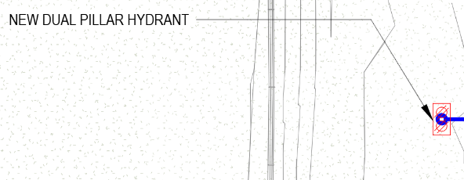
Question 36 | Please provide tentative timeline for construction with proposed start and finish dates. | Tenderer to propose timeline. Stanwell is in a position to start works immediately following approvals. | 25/05/2026
Question 37 | G3 Items | Tender Addendum – G3 Items G3 items (previously to be supplied and installed by client) have been rescheduled as ‘G3 - Group 3 Proprietary Loose Furniture Supplied & Installed by Contractor (unless noted otherwise)’ Note: Quantities have only been provided for G3 tagged Loose Furniture items and it is the Contractor’s responsibility to calculate required quantities for G1 tagged items. Please review the new documents in - "Clarification Attachments - Clarification Question 37" folder. | 25/05/2026
Question 38
Question 39
Question 40
Question 41

 |  |  | 28/04/2026

